Items and Sizes
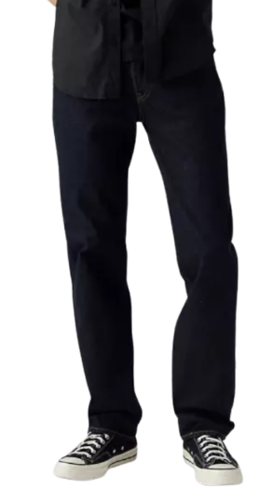
Style | UPC/EAN | Product Description | Size | Total Available Units | Available Units (Qty Per Size) | Your Total | Your Units (Qty Per Size) | Brand | Category | Consumer Name | Product Type
10001-0036 | 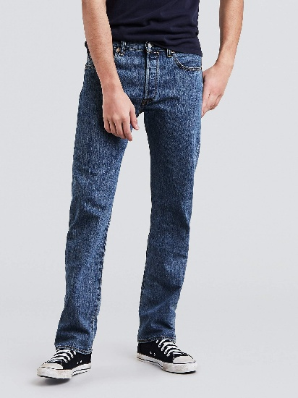 | Q 501 ALL DENIM | 28 | 3960 | 72 | 0 | 0 | LEVI'S | BOTTOMS | MENS | IRREGULARS
10001-0036 |  | Q 501 ALL DENIM | 29 |  | 144 |  | 0 | LEVI'S | BOTTOMS | MENS | IRREGULARS
10001-0036 |  | Q 501 ALL DENIM | 30 |  | 432 |  | 0 | LEVI'S | BOTTOMS | MENS | IRREGULARS
10001-0036 |  | Q 501 ALL DENIM | 31 |  | 240 |  | 0 | LEVI'S | BOTTOMS | MENS | IRREGULARS
10001-0036 |  | Q 501 ALL DENIM | 32 |  | 864 |  | 0 | LEVI'S | BOTTOMS | MENS | IRREGULARS
10001-0036 |  | Q 501 ALL DENIM | 33 |  | 312 |  | 0 | LEVI'S | BOTTOMS | MENS | IRREGULARS
10001-0036 |  | Q 501 ALL DENIM | 34 |  | 648 |  | 0 | LEVI'S | BOTTOMS | MENS | IRREGULARS
10001-0036 |  | Q 501 ALL DENIM | 35 |  | 96 |  | 0 | LEVI'S | BOTTOMS | MENS | IRREGULARS
10001-0036 |  | Q 501 ALL DENIM | 36 |  | 480 |  | 0 | LEVI'S | BOTTOMS | MENS | IRREGULARS
10001-0036 |  | Q 501 ALL DENIM | 38 |  | 288 |  | 0 | LEVI'S | BOTTOMS | MENS | IRREGULARS
10001-0036 |  | Q 501 ALL DENIM | 40 |  | 192 |  | 0 | LEVI'S | BOTTOMS | MENS | IRREGULARS
10001-0036 |  | Q 501 ALL DENIM | 42 |  | 120 |  | 0 | LEVI'S | BOTTOMS | MENS | IRREGULARS
10001-0036 |  | Q 501 ALL DENIM | 44 |  | 72 |  | 0 | LEVI'S | BOTTOMS | MENS | IRREGULARS
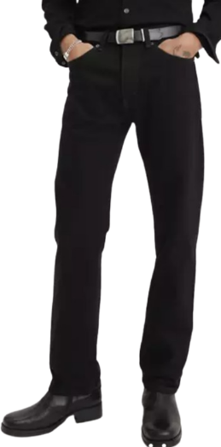
10001-0039 | 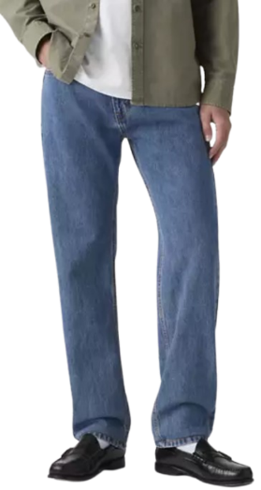 | Q 505 REGULAR FIT ALL DENIM | 28 | 4056 | 48 | 0 | 0 | LEVI'S | BOTTOMS | MENS | IRREGULARS
10001-0039 |  | Q 505 REGULAR FIT ALL DENIM | 29 |  | 72 |  | 0 | LEVI'S | BOTTOMS | MENS | IRREGULARS
10001-0039 |  | Q 505 REGULAR FIT ALL DENIM | 30 |  | 312 |  | 0 | LEVI'S | BOTTOMS | MENS | IRREGULARS
10001-0039 |  | Q 505 REGULAR FIT ALL DENIM | 31 |  | 144 |  | 0 | LEVI'S | BOTTOMS | MENS | IRREGULARS
10001-0039 |  | Q 505 REGULAR FIT ALL DENIM | 32 |  | 480 |  | 0 | LEVI'S | BOTTOMS | MENS | IRREGULARS
10001-0039 |  | Q 505 REGULAR FIT ALL DENIM | 33 |  | 216 |  | 0 | LEVI'S | BOTTOMS | MENS | IRREGULARS
10001-0039 |  | Q 505 REGULAR FIT ALL DENIM | 34 |  | 1008 |  | 0 | LEVI'S | BOTTOMS | MENS | IRREGULARS
10001-0039 |  | Q 505 REGULAR FIT ALL DENIM | 35 |  | 48 |  | 0 | LEVI'S | BOTTOMS | MENS | IRREGULARS
10001-0039 |  | Q 505 REGULAR FIT ALL DENIM | 36 |  | 960 |  | 0 | LEVI'S | BOTTOMS | MENS | IRREGULARS
10001-0039 |  | Q 505 REGULAR FIT ALL DENIM | 38 |  | 552 |  | 0 | LEVI'S | BOTTOMS | MENS | IRREGULARS
10001-0039 |  | Q 505 REGULAR FIT ALL DENIM | 40 |  | 144 |  | 0 | LEVI'S | BOTTOMS | MENS | IRREGULARS
10001-0039 |  | Q 505 REGULAR FIT ALL DENIM | 42 |  | 48 |  | 0 | LEVI'S | BOTTOMS | MENS | IRREGULARS
10001-0039 |  | Q 505 REGULAR FIT ALL DENIM | 44 |  | 24 |  | 0 | LEVI'S | BOTTOMS | MENS | IRREGULARS
10001-0041 | 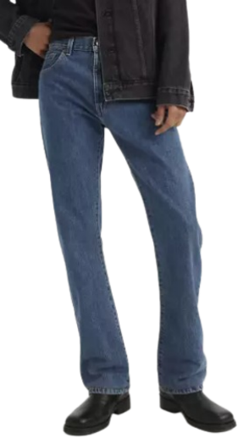 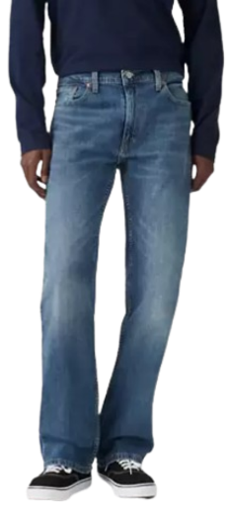 | Q BOOTCUT 517 AND 527 | 29 | 6096 | 360 | 0 | 0 | LEVI'S | BOTTOMS | MENS | IRREGULARS
10001-0041 |  | Q BOOTCUT 517 AND 527 | 30 |  | 576 |  | 0 | LEVI'S | BOTTOMS | MENS | IRREGULARS
10001-0041 |  | Q BOOTCUT 517 AND 527 | 31 |  | 672 |  | 0 | LEVI'S | BOTTOMS | MENS | IRREGULARS
10001-0041 |  | Q BOOTCUT 517 AND 527 | 32 |  | 1416 |  | 0 | LEVI'S | BOTTOMS | MENS | IRREGULARS
10001-0041 |  | Q BOOTCUT 517 AND 527 | 33 |  | 432 |  | 0 | LEVI'S | BOTTOMS | MENS | IRREGULARS
10001-0041 |  | Q BOOTCUT 517 AND 527 | 34 |  | 792 |  | 0 | LEVI'S | BOTTOMS | MENS | IRREGULARS
10001-0041 |  | Q BOOTCUT 517 AND 527 | 35 |  | 24 |  | 0 | LEVI'S | BOTTOMS | MENS | IRREGULARS
10001-0041 |  | Q BOOTCUT 517 AND 527 | 36 |  | 1392 |  | 0 | LEVI'S | BOTTOMS | MENS | IRREGULARS
10001-0041 |  | Q BOOTCUT 517 AND 527 | 38 |  | 288 |  | 0 | LEVI'S | BOTTOMS | MENS | IRREGULARS
10001-0041 |  | Q BOOTCUT 517 AND 527 | 40 |  | 72 |  | 0 | LEVI'S | BOTTOMS | MENS | IRREGULARS
10001-0041 |  | Q BOOTCUT 517 AND 527 | 42 |  | 48 |  | 0 | LEVI'S | BOTTOMS | MENS | IRREGULARS
10001-0041 |  | Q BOOTCUT 517 AND 527 | 44 |  | 24 |  | 0 | LEVI'S | BOTTOMS | MENS | IRREGULARS
10001-0046 | 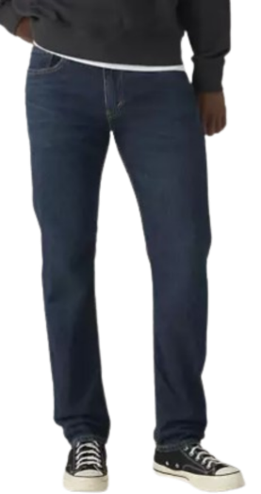 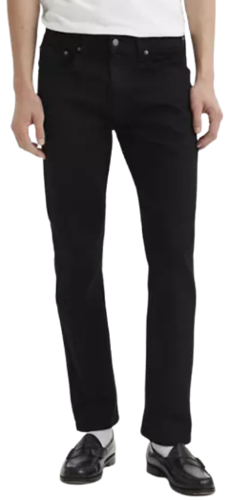 | Q 502 REGULAR TAPER ALL DENIM | 28 | 4120 | 72 | 0 | 0 | LEVI'S | BOTTOMS | MENS | IRREGULARS
10001-0046 |  | Q 502 REGULAR TAPER ALL DENIM | 29 |  | 72 |  | 0 | LEVI'S | BOTTOMS | MENS | IRREGULARS
10001-0046 |  | Q 502 REGULAR TAPER ALL DENIM | 30 |  | 312 |  | 0 | LEVI'S | BOTTOMS | MENS | IRREGULARS
10001-0046 |  | Q 502 REGULAR TAPER ALL DENIM | 31 |  | 120 |  | 0 | LEVI'S | BOTTOMS | MENS | IRREGULARS
10001-0046 |  | Q 502 REGULAR TAPER ALL DENIM | 32 |  | 424 |  | 0 | LEVI'S | BOTTOMS | MENS | IRREGULARS
10001-0046 |  | Q 502 REGULAR TAPER ALL DENIM | 33 |  | 168 |  | 0 | LEVI'S | BOTTOMS | MENS | IRREGULARS
10001-0046 |  | Q 502 REGULAR TAPER ALL DENIM | 34 |  | 1032 |  | 0 | LEVI'S | BOTTOMS | MENS | IRREGULARS
10001-0046 |  | Q 502 REGULAR TAPER ALL DENIM | 35 |  | 72 |  | 0 | LEVI'S | BOTTOMS | MENS | IRREGULARS
10001-0046 |  | Q 502 REGULAR TAPER ALL DENIM | 36 |  | 1032 |  | 0 | LEVI'S | BOTTOMS | MENS | IRREGULARS
10001-0046 |  | Q 502 REGULAR TAPER ALL DENIM | 38 |  | 600 |  | 0 | LEVI'S | BOTTOMS | MENS | IRREGULARS
10001-0046 |  | Q 502 REGULAR TAPER ALL DENIM | 40 |  | 120 |  | 0 | LEVI'S | BOTTOMS | MENS | IRREGULARS
10001-0046 |  | Q 502 REGULAR TAPER ALL DENIM | 42 |  | 72 |  | 0 | LEVI'S | BOTTOMS | MENS | IRREGULARS
10001-0046 |  | Q 502 REGULAR TAPER ALL DENIM | 44 |  | 24 |  | 0 | LEVI'S | BOTTOMS | MENS | IRREGULARS
10001-0048 | 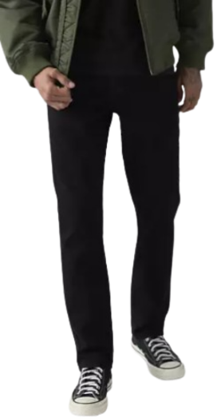 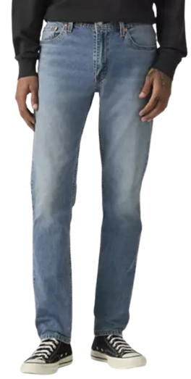 | Q 511 SLIM FIT ALL DENIM | 28 | 4056 | 96 | 0 | 0 | LEVI'S | BOTTOMS | MENS | IRREGULARS
10001-0048 |  | Q 511 SLIM FIT ALL DENIM | 29 |  | 72 |  | 0 | LEVI'S | BOTTOMS | MENS | IRREGULARS
10001-0048 |  | Q 511 SLIM FIT ALL DENIM | 30 |  | 384 |  | 0 | LEVI'S | BOTTOMS | MENS | IRREGULARS
10001-0048 |  | Q 511 SLIM FIT ALL DENIM | 31 |  | 336 |  | 0 | LEVI'S | BOTTOMS | MENS | IRREGULARS
10001-0048 |  | Q 511 SLIM FIT ALL DENIM | 32 |  | 744 |  | 0 | LEVI'S | BOTTOMS | MENS | IRREGULARS
10001-0048 |  | Q 511 SLIM FIT ALL DENIM | 33 |  | 576 |  | 0 | LEVI'S | BOTTOMS | MENS | IRREGULARS
10001-0048 |  | Q 511 SLIM FIT ALL DENIM | 34 |  | 672 |  | 0 | LEVI'S | BOTTOMS | MENS | IRREGULARS
10001-0048 |  | Q 511 SLIM FIT ALL DENIM | 35 |  | 144 |  | 0 | LEVI'S | BOTTOMS | MENS | IRREGULARS
10001-0048 |  | Q 511 SLIM FIT ALL DENIM | 36 |  | 528 |  | 0 | LEVI'S | BOTTOMS | MENS | IRREGULARS
10001-0048 |  | Q 511 SLIM FIT ALL DENIM | 38 |  | 288 |  | 0 | LEVI'S | BOTTOMS | MENS | IRREGULARS
10001-0048 |  | Q 511 SLIM FIT ALL DENIM | 40 |  | 96 |  | 0 | LEVI'S | BOTTOMS | MENS | IRREGULARS
10001-0048 |  | Q 511 SLIM FIT ALL DENIM | 42 |  | 72 |  | 0 | LEVI'S | BOTTOMS | MENS | IRREGULARS
10001-0048 |  | Q 511 SLIM FIT ALL DENIM | 44 |  | 48 |  | 0 | LEVI'S | BOTTOMS | MENS | IRREGULARS
10001-0050 | 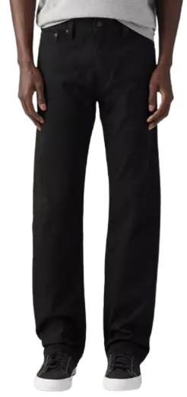 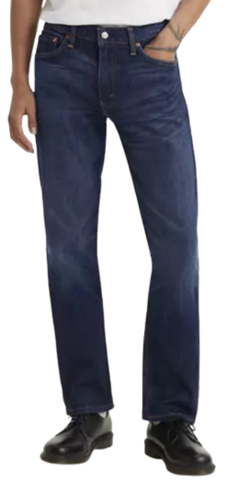 | Q 513 SLIM STRAIGHT | 29 | 3600 | 168 | 0 | 0 | LEVI'S | BOTTOMS | MENS | IRREGULARS
10001-0050 |  | Q 513 SLIM STRAIGHT | 30 |  | 240 |  | 0 | LEVI'S | BOTTOMS | MENS | IRREGULARS
10001-0050 |  | Q 513 SLIM STRAIGHT | 31 |  | 216 |  | 0 | LEVI'S | BOTTOMS | MENS | IRREGULARS
10001-0050 |  | Q 513 SLIM STRAIGHT | 32 |  | 264 |  | 0 | LEVI'S | BOTTOMS | MENS | IRREGULARS
10001-0050 |  | Q 513 SLIM STRAIGHT | 33 |  | 264 |  | 0 | LEVI'S | BOTTOMS | MENS | IRREGULARS
10001-0050 |  | Q 513 SLIM STRAIGHT | 34 |  | 408 |  | 0 | LEVI'S | BOTTOMS | MENS | IRREGULARS
10001-0050 |  | Q 513 SLIM STRAIGHT | 35 |  | 240 |  | 0 | LEVI'S | BOTTOMS | MENS | IRREGULARS
10001-0050 |  | Q 513 SLIM STRAIGHT | 36 |  | 408 |  | 0 | LEVI'S | BOTTOMS | MENS | IRREGULARS
10001-0050 |  | Q 513 SLIM STRAIGHT | 38 |  | 480 |  | 0 | LEVI'S | BOTTOMS | MENS | IRREGULARS
10001-0050 |  | Q 513 SLIM STRAIGHT | 40 |  | 168 |  | 0 | LEVI'S | BOTTOMS | MENS | IRREGULARS
10001-0050 |  | Q 513 SLIM STRAIGHT | 42 |  | 288 |  | 0 | LEVI'S | BOTTOMS | MENS | IRREGULARS
10001-0050 |  | Q 513 SLIM STRAIGHT | 44 |  | 456 |  | 0 | LEVI'S | BOTTOMS | MENS | IRREGULARS
10001-0052 | 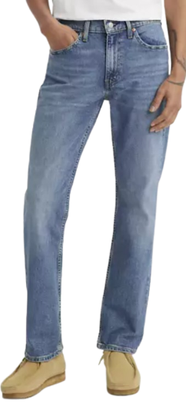 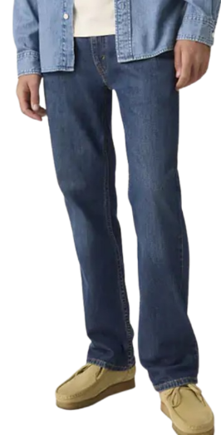 | Q 514 STRAIGHT ALL DENIM | 28 | 4008 | 24 | 0 | 0 | LEVI'S | BOTTOMS | MENS | IRREGULARS
10001-0052 |  | Q 514 STRAIGHT ALL DENIM | 29 |  | 48 |  | 0 | LEVI'S | BOTTOMS | MENS | IRREGULARS
10001-0052 |  | Q 514 STRAIGHT ALL DENIM | 30 |  | 552 |  | 0 | LEVI'S | BOTTOMS | MENS | IRREGULARS
10001-0052 |  | Q 514 STRAIGHT ALL DENIM | 31 |  | 480 |  | 0 | LEVI'S | BOTTOMS | MENS | IRREGULARS
10001-0052 |  | Q 514 STRAIGHT ALL DENIM | 32 |  | 792 |  | 0 | LEVI'S | BOTTOMS | MENS | IRREGULARS
10001-0052 |  | Q 514 STRAIGHT ALL DENIM | 33 |  | 600 |  | 0 | LEVI'S | BOTTOMS | MENS | IRREGULARS
10001-0052 |  | Q 514 STRAIGHT ALL DENIM | 34 |  | 504 |  | 0 | LEVI'S | BOTTOMS | MENS | IRREGULARS
10001-0052 |  | Q 514 STRAIGHT ALL DENIM | 35 |  | 24 |  | 0 | LEVI'S | BOTTOMS | MENS | IRREGULARS
10001-0052 |  | Q 514 STRAIGHT ALL DENIM | 36 |  | 624 |  | 0 | LEVI'S | BOTTOMS | MENS | IRREGULARS
10001-0052 |  | Q 514 STRAIGHT ALL DENIM | 38 |  | 216 |  | 0 | LEVI'S | BOTTOMS | MENS | IRREGULARS
10001-0052 |  | Q 514 STRAIGHT ALL DENIM | 40 |  | 72 |  | 0 | LEVI'S | BOTTOMS | MENS | IRREGULARS
10001-0052 |  | Q 514 STRAIGHT ALL DENIM | 42 |  | 48 |  | 0 | LEVI'S | BOTTOMS | MENS | IRREGULARS
10001-0052 |  | Q 514 STRAIGHT ALL DENIM | 44 |  | 24 |  | 0 | LEVI'S | BOTTOMS | MENS | IRREGULARS
10001-0054 | 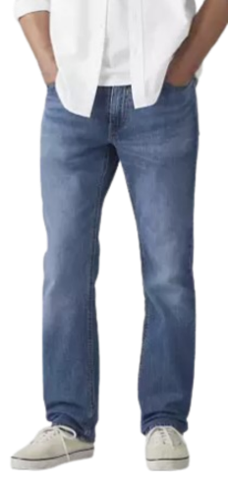 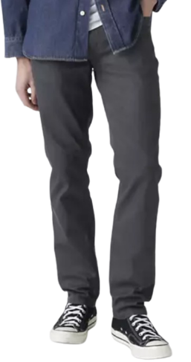 | Q 541 ATHLETIC TAPER ALL DENIM | 29 | 2136 | 48 | 0 | 0 | LEVI'S | BOTTOMS | MENS | IRREGULARS
10001-0054 |  | Q 541 ATHLETIC TAPER ALL DENIM | 30 |  | 120 |  | 0 | LEVI'S | BOTTOMS | MENS | IRREGULARS
10001-0054 |  | Q 541 ATHLETIC TAPER ALL DENIM | 31 |  | 96 |  | 0 | LEVI'S | BOTTOMS | MENS | IRREGULARS
10001-0054 |  | Q 541 ATHLETIC TAPER ALL DENIM | 32 |  | 408 |  | 0 | LEVI'S | BOTTOMS | MENS | IRREGULARS
10001-0054 |  | Q 541 ATHLETIC TAPER ALL DENIM | 33 |  | 168 |  | 0 | LEVI'S | BOTTOMS | MENS | IRREGULARS
10001-0054 |  | Q 541 ATHLETIC TAPER ALL DENIM | 34 |  |  |  | 0 | LEVI'S | BOTTOMS | MENS | IRREGULARS
10001-0054 |  | Q 541 ATHLETIC TAPER ALL DENIM | 36 |  | 480 |  | 0 | LEVI'S | BOTTOMS | MENS | IRREGULARS
10001-0054 |  | Q 541 ATHLETIC TAPER ALL DENIM | 38 |  | 360 |  | 0 | LEVI'S | BOTTOMS | MENS | IRREGULARS
10001-0054 |  | Q 541 ATHLETIC TAPER ALL DENIM | 40 |  | 216 |  | 0 | LEVI'S | BOTTOMS | MENS | IRREGULARS
10001-0054 |  | Q 541 ATHLETIC TAPER ALL DENIM | 42 |  | 168 |  | 0 | LEVI'S | BOTTOMS | MENS | IRREGULARS
10001-0054 |  | Q 541 ATHLETIC TAPER ALL DENIM | 44 |  | 72 |  | 0 | LEVI'S | BOTTOMS | MENS | IRREGULARS
10001-0066 | 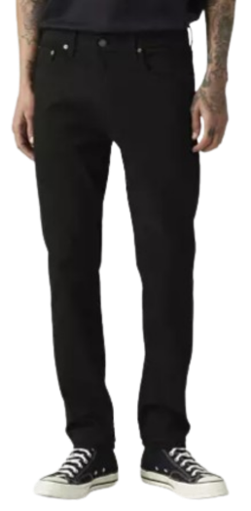 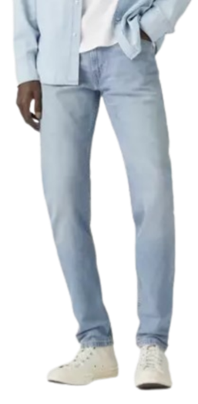 | Q 512 SLIM TAPER ALL DENIM | 28 | 4296 | 72 | 0 | 0 | LEVI'S | BOTTOMS | MENS | IRREGULARS
10001-0066 |  | Q 512 SLIM TAPER ALL DENIM | 29 |  | 72 |  | 0 | LEVI'S | BOTTOMS | MENS | IRREGULARS
10001-0066 |  | Q 512 SLIM TAPER ALL DENIM | 30 |  | 336 |  | 0 | LEVI'S | BOTTOMS | MENS | IRREGULARS
10001-0066 |  | Q 512 SLIM TAPER ALL DENIM | 31 |  | 120 |  | 0 | LEVI'S | BOTTOMS | MENS | IRREGULARS
10001-0066 |  | Q 512 SLIM TAPER ALL DENIM | 32 |  | 456 |  | 0 | LEVI'S | BOTTOMS | MENS | IRREGULARS
10001-0066 |  | Q 512 SLIM TAPER ALL DENIM | 33 |  | 216 |  | 0 | LEVI'S | BOTTOMS | MENS | IRREGULARS
10001-0066 |  | Q 512 SLIM TAPER ALL DENIM | 34 |  | 1056 |  | 0 | LEVI'S | BOTTOMS | MENS | IRREGULARS
10001-0066 |  | Q 512 SLIM TAPER ALL DENIM | 35 |  | 48 |  | 0 | LEVI'S | BOTTOMS | MENS | IRREGULARS
10001-0066 |  | Q 512 SLIM TAPER ALL DENIM | 36 |  | 1008 |  | 0 | LEVI'S | BOTTOMS | MENS | IRREGULARS
10001-0066 |  | Q 512 SLIM TAPER ALL DENIM | 38 |  | 576 |  | 0 | LEVI'S | BOTTOMS | MENS | IRREGULARS
10001-0066 |  | Q 512 SLIM TAPER ALL DENIM | 40 |  | 144 |  | 0 | LEVI'S | BOTTOMS | MENS | IRREGULARS
10001-0066 |  | Q 512 SLIM TAPER ALL DENIM | 42 |  | 96 |  | 0 | LEVI'S | BOTTOMS | MENS | IRREGULARS
10001-0066 |  | Q 512 SLIM TAPER ALL DENIM | 44 |  | 96 |  | 0 | LEVI'S | BOTTOMS | MENS | IRREGULARS
 |  |  |  |  | 36328 |  | 0

